EB_Exist
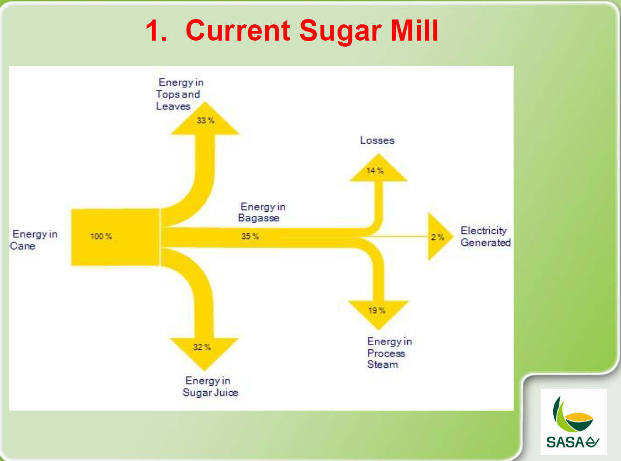
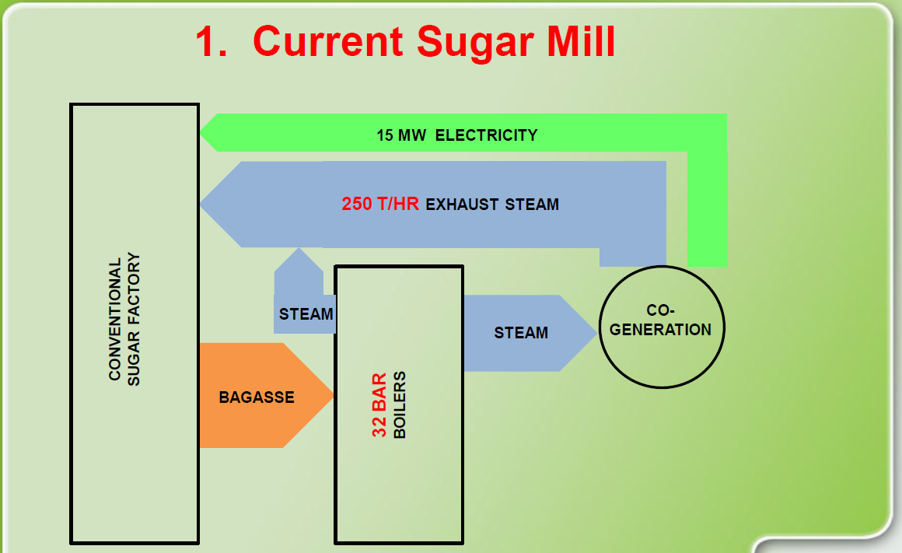
2018 Energy/Commodity Balance |  |  |  |  |  |  |  |  |  |  |  |  |  |  |  | From Katherine Foxton, SMRI January 2020 |  |  |  |  |  |  |  |  |  |  |  |  |  |  | Figure 1: Source Presentation to NT, DOE by SASA
 |  |  | Producers |  |  |  |  | Consumers |  |  |  |  |  |  |  | "The amount of bagasse that is not used in boilers was 7.63% (wet mass basis) for the past few years. This is bagasse that goes to alternate products onsite or is sold."
Commodity Code | Commodity | Tech Code | Tech description | unit | value | CV (MJ/kg) | Tech Code | Tech description | unit | value | CV (MJ/kg) | Source |  |  |  | 7.63%
INDCOA | Industry Coal | XINDCOA | Industry Coal Supply | mt | 0.203 | LHV |  |  |  |  |  | Cost of Generation sheet (from indsutry) |  |  |  | From Katherine Foxton, SMRI January 2020
 |  |  |  | PJ | 5.39 | 26.5 | ISICHPEX | Existing CHP Plant | PJ | 5.39 |  |  |  |  |  | Stream |  | Whole cane | Tops left in field | Leaf left in the field or burned | Cane into factory | Bagasse | Juice | Imbibition | Filter cake | Molasses | Sugar | Effluent (Deemed)
BIW | Biomass Woodchips | XBIW | Biomass Woodchip Supply | mt | 0.08 | LHV |  |  |  |  |  | Cost of Generation sheet (from indsutry) |  |  |  | Stream type | factory input/factory output/internal |  |  |  | input | internal | internal | internal | output | output | output | output
 |  |  |  | PJ | 0.98 | 12.59 | ISICHPEX | Existing CHP Plant | PJ | 0.98 |  |  |  |  |  | Stream amount | kg/100kg standing cane | 100 | 20.5 | 11.6 | 67.9 | 20.3 | 73.4 | 25.8 | 1.0 | 3.1 | 7.7 | 18.3
BSC | Cane-into factory | XBSC | Cane_Into Factory Supply | mt | 19.03 | HHV | ISIMIL | Existing Milling Plant | mt | 19.03 |  | Cost of Generation sheet (from indsutry) |  |  |  | Chemical Energy MJ/t cane | MJ/t cane | 5230 | 654.0 | 1069.2 | 3507.0 | 1826.0 | 1684.3 | 0.0 | 23.4 | 226.4 | 1273.8 | 54.2
 |  |  |  | PJ | 98.29 | 5.165 |  |  |  |  |  |  |  |  |  | Stream temperature | T [°C] | 25 | 25.0 | 25.0 | 25.0 | 65.0 | 60.0 | 90.0 | 90.0 | 53.6 | 56.1 | 45.0
BCL | Recoverable leaves | XBCL | Recoverable Leaves Supply | mt | 1.37 | LHV |  |  |  |  |  | Cost of Generation sheet (from indsutry) |  |  |  | specific entahlpy of stream @ 25°C | h(25ºC) MJ/t stream |  |  |  |  | 71.0 | 96.5 | 104.9 | 107.5 | 63.8 | 29.7 | 103.5
 |  |  |  | PJ | 10.44 | 7.600 |  |  |  |  |  |  |  |  |  | Specific enthalpy of stream at process temperature | h(T) MJ/t stream |  |  |  |  | 188.0 | 232.0 | 377.0 | 276.6 | 126.5 | 70.9 | 186.4
ISIBIB | Bagasse | ISIMIL | Existing Milling Plant | mt | 5.783 | LHV | ISICHPEX | Existing CHP Plant | mt | 5.34 |  |  |  |  |  | Total stream energy | MJ/t standing cane | 5230 | 654 | 1069 | 3507 | 4198 | 11631 | 7009 | 186 | 418 | 1591 | 1567
 |  |  |  | PJ | 41.61 | 7.194 |  |  | PJ | 38.43 |  |  |  |  |  | Stream energy % energy in standing cane | MJ/100 MJ in standing cane | 100 | 12.5 | 20.4 | 67.1 | 80.3 | 222.4 | 134.0 | 3.6 | 8.0 | 30.4 | 30.0
 |  |  |  |  |  |  | XINDBIB | Bagasse to Local Market | mt | 0.44 |  | From Kitty
 |  |  |  |  |  |  |  |  | PJ | 3.17 |  |  |  |  |  |  | Full Energy Balance based on actual cane into factory
BCS | Cane Syrup (A-Mollasses) | ISIMIL | Existing Milling Plant | PJ | 47.21 |  | UBSCSUG | B and C Stages | PJ | 47.21 |  | From Kitty
ISIHET | Steam From CHP | ISICHPEX | Existing CHP Plant | PJ | 32.91 |  | ISIMIL | Existing Milling Plant | PJ | 28.37 |  | From Kitty |  |  |  |  | MJ/ton into Factory |  | 963.1 | 1574.6 | 5164.6 | 2689.0 | 2480.4 | 0.0 | 34.5 | 333.4 | 1875.9 | 79.8 | A | 3
 |  |  |  |  |  |  | UBSCSUG | B and C Stages | PJ | 4.54 |  | From Kitty |  |  |  | HHV | PJ total | 146.59 | 18.329 | 29.967 | 98.291 | 51.177 | 47.207 | 0.000 | 0.656 | 6.344 | 35.702 | 1.519 | B | 1.4
ISIELC | Sugar Industry Electricity | ISICHPEX | Existing CHP Plant | TWh | 0.71 |  | UBSCSUG | B and C Stages | TWh | 0.09 |  | Cost of Generation sheet (from indsutry) |  |  |  | LHV | PJ total |  | 6.89 | 24.75 |  |  |  |  |  |  |  |  | M | 50.6
 |  |  |  | PJ | 2.55 |  |  |  | PJ | 0.32 |  |  |  |  |  |  | mtons | 28.03 | 5.74 | 3.26 | 19.03 | 5.68 | 20.57 | 7.22 | 0.27 | 0.86 | 2.16 | 5.12 | NCV | 7193.898
 |  | XISIELC | Electricity from Eskom | TWh | 0.092 |  | ISIMIL | Existing Milling Plant | TWh | 0.59 |  | Balance |  |  |  | HHV | CV MJ/kg |  | 3.194 | 9.202 | 5.165 | 9.004 | 2.295 | 0.000 | 2.438 | 7.408 | 16.509 | 0.297
 |  |  |  | PJ | 0.331 |  |  |  | PJ | 2.11 |  |  |  |  |  | LHV | CV MJ/kg |  | 1.2 | 7.6 |  | 7.194
 |  |  |  |  |  |  | XISIELCEXP | Export to Grid from Sugar | TWh | 0.12 |  |  |  |  |  |  | Check |  | 0.20475 | 0.1162 | 0.67905 | 0.20279701895 | 0.73386795977
 |  |  |  |  |  |  |  |  | PJ | 0.449 |  |  |  |  |  |  |  |  |  |  |  |  |  |  |  | 4.5%
ISIBML | C-Molasses | UBSCSUG | B and C Stages | mt | 0.86 | HHV | XINDBIM | Molasses to Local Market | mt | 0.86 |  | From Kitty |  | 4.5%
 |  |  |  | PJ | 6.34 | 7.408 |  |  | PJ | 6.34
ISIBFC | Filter Cake | UBSCSUG | B and C Stages | mt | 8.53 | HHV |  |  |  |  |  | From Kitty
 |  |  |  | PJ | 0.66 | 13
ISISUG | Sugar | UBSCSUG | B and C Stages | PJ | 36.05 | HHV | PEXSUG | Sugar to Export Market | mt | 1.04 |  | Sugar Prices Sheet (from industry)
 |  |  |  | mt | 2.18 | 16.509 | ISISUGDEM | Sugar to Local Market | mt | 1.14 |  | Sugar Prices Sheet (from industry)
SUG | Sugar Exports | PEXSUG | Sugar to Export Market | mt | 1.04 |  |  |  |  |  |  | Sugar Prices Sheet (from industry)
BIB | Bagasse Sales to Other sectors | ISISUGDEM | Sugar to Local Market | mt | 1.14 |  |  |  |  |  |  | Sugar Prices Sheet (from industry) |  |  |  | From Katherine Foxton, SMRI January 2020 |  |  |  |  |  | From Katherine Foxton, SMRI February 2020
 |  |  |  |  |  |  |  |  |  |  |  |  |  |  |  |  |  | A mol diversion mode, efficient | Units* |  |  |  | VHP mode (3 boiling), not efficient | A mol mode, efficient, mol brix = 20% | A mol mode, efficient mol brix =80% | A Mol mode, average condition | Units
 |  | Overall EB Checks |  |  |  |  |  |  |  |  |  |  |  |  |  |  | VHP mode not efficient |  |  |  |  |  |  |  |  |  |  |  |  |  | Figure 2: Source Presentation to NT, DOE by SASA
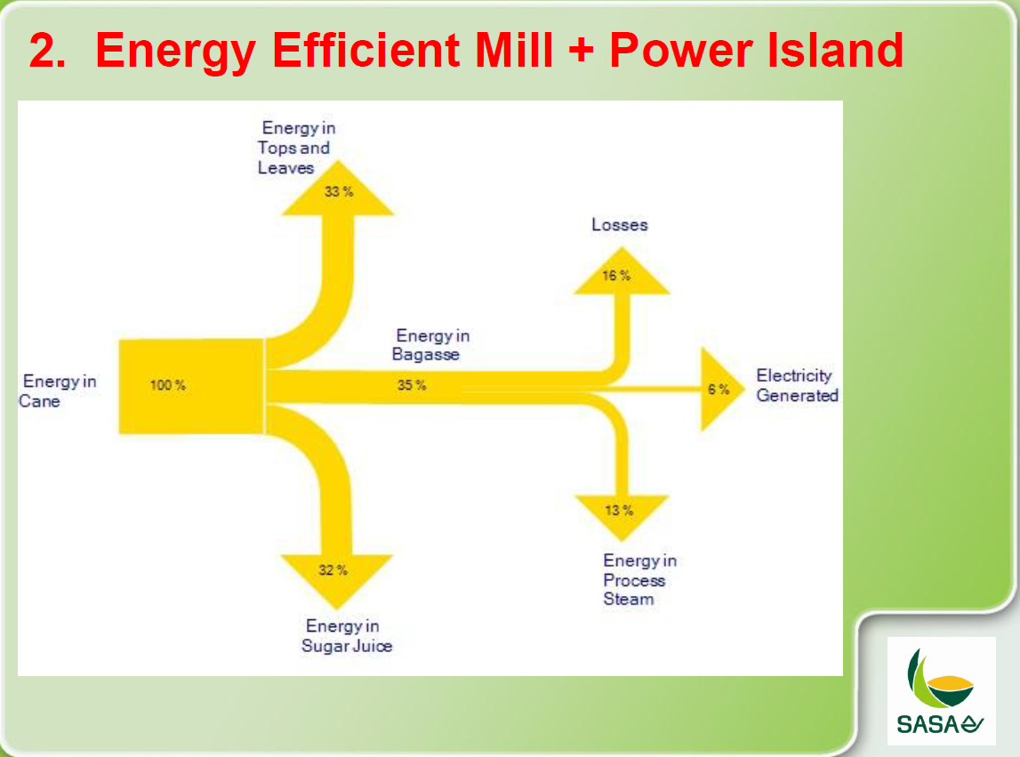
 |  |  | Energy in Cane | PJ | 146.70314516 |  |  |  |  |  |  |  |  |  |  | Cane to Syrup | 0.545 | 0.701 | MJ/MJ in Boiler steam |  |  | Steam energy for extraction (Cane to Juice) | 0.337 | 0.499 | 0.422 | 0.428 | MJ/MJ in boiler steam
 |  |  | Supplement: coal+wood |  | 17% | with coal | without coal |  |  |  |  |  |  |  |  | Cane to syrup losses | 0.113 | 0.109 | MJ/MJ in Boiler steam |  |  | Steam energy for evaporation (Juice to syrup) | 0.159 | 0.099 | 0.192 | 0.185 | MJ/MJ in boiler steam
 |  |  | Process Heat | PJ | 32.91 | 22% | 19% | This checks well with figure 1 |  |  |  |  |  |  |  | Syrup to sugar | 0.244 | 0.117 | MJ/MJ in Boiler steam |  |  | Steam losses in extraction and evaporation | 0.089 | 0.104 | 0.086 | 0.087 | MJ/MJ in boiler steam
 |  |  | Enthalpy (Process heat) | GJ/ton | 2.7 |  |  |  |  |  |  |  |  |  |  | Syrup to sugar losses | 0.031 | 0.01 | MJ/MJ in Boiler steam |  |  | Steam energy for A station (Syrup to A sug+A Molasses) | 0.237 | 0.213 | 0.230 | 0.228 | MJ/MJ in boiler steam
 |  |  |  | mton | 12.18861903 |  |  |  |  |  |  |  |  |  |  | Other elec | 0.068 | 0.064 | MJ/MJ in Boiler steam |  |  | Steam energy for B&C station (A molasses to C Molasses) | 0.124 | 0 | 0 | 0 | MJ/MJ in boiler steam
 |  |  | Capacity Factor |  | 56% |  |  |  |  |  |  |  |  |  |  | Total steam | 437972.5 | 373836.6 | MJ/h (exergy) |  |  | Steam energy losses in A, B and C stations) | 0.008 | 0.012 | 0.010 | 0.010 | MJ/MJ in boiler steam
 |  |  | Hours |  | 4905.6 |  |  |  |  |  |  |  |  |  |  | Cane | 300 | 300 | t cane/h |  |  | Electrical consumption | 0.047 | 0.073 | 0.060 | 0.061 | MJ/MJ in boiler steam
 |  |  | Tons/hr | ton/hr | 2484.63369 |  |  |  |  |  |  |  |  |  |  | Cane | 19 |  |  |  |  | Total boiler steam required for sugar processing | 519620 | 337417 | 407488 | 400882 | MJ/h (Exergy)
 |  |  | Tons/hr (2m cane plant) | ton/hr | 261.10505995 |  |  |  |  |  |  |  |  |  |  | Steam | 27.74 |  |  |  |  | Cane throughput | 300 | 300 | 300 | 300 | t/h
 |  |  |  |  |  |  |  |  |  |  |  |  |  |  |  |  |  |  |  |  |  | Steam% Cane | 55.0 | 35.7 | 43.2 | 42.5 | t boiler steam/100 t cane
 |  | CHP Checks |  |  |  |  |  |  |  |  |  |  |  |  |  |  |  |  |  |  |  | Molasses production | 12.1 | 138.9 | 24.0 | 34.6 | t/h
 |  |  | Inputs |  |  |  |  | Outputs |  |  |  |  |  |  | Source: | Industrial Symbiosis Centered on a |  |  |  |  |  | A sugar production (@99.3% purity) | 34.3 | 16.0 | 24.7 | 23.9 | t/h
 |  | ISIBIB | Bagasse | PJ | 38.43 |  | ISIHET | Steam From CHP | PJ | 32.91 | 22% |  |  |  |  | Regional Cogeneration Power Plant |  |  |  |  |  | Total Boiler scaled to 19mtons
 |  | INDCOA | Industry Coal | PJ | 5.39 |  | ISIELC | Sugar Industry Electricity | PJ | 2.55 | 1.7% |  |  |  |  | Utilizing Available Local Resources |  |  |  |  |  |  | 32.90927138
 |  | BIW | Biomass Woodchips | PJ | 0.98 |  |  | Total | PJ | 35.46 |  |  |  |  |  | A Case Study of Tanegashima |  |  |  |  |  | Steam check @ 2mton cane/year | 250.0 | ton/h | 55.8% | 1.22202 | mt/year
 |  |  | Total | PJ | 44.80 |  |  |  |  |  |  |  |  |  |  | Yasunori Kikuchi et al. |  |  |  |  |  | Steam check @ 19mton cane/year |  |  |  | 11.60919 | mt/year
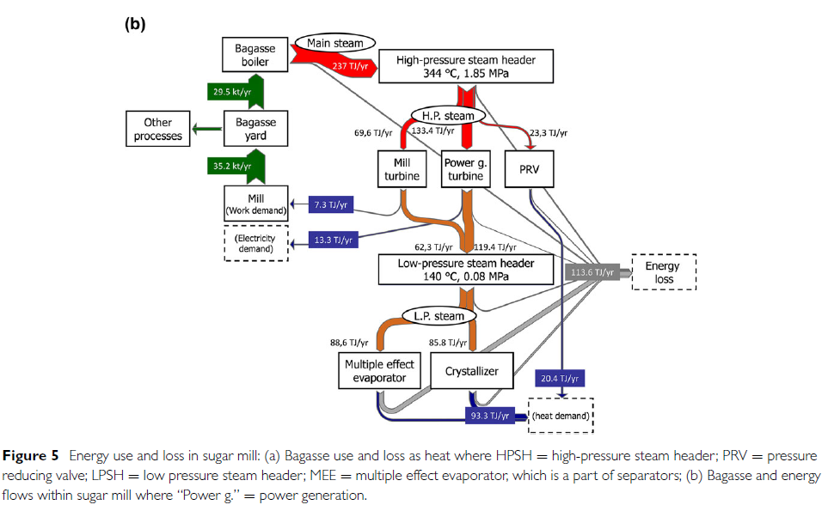
 |  |  | Availability |  | 34.1% |  |  |  |  |  |  |  |  |  |  |  |  |  |  |  |  |  |  |  |  |  | PJ/yr
 |  |  | Total Efficiency |  | 79.1% |  |  |  |  |  |  |  |  |  |  |  |  |  |  |  |  |  |  |  |  | 2.834760339 | MJ/kg
 |  |  | Electricity Efficiency |  | 5.689%
 |  |  | Heat to Power Ratio |  | 12.91
 |  |  | Coal Share |  | 0.12028412406
 |  |  | Woodchips Share |  | 0.021873106837 |  |  |  |  |  |  | Steam energy use per ton of bagasse
 |  |  |  |  |  |  |  |  |  |  |  | Bagasse | kton | 35.2
 |  | Mill Checks |  |  |  |  |  |  |  |  |  | Steam use | TJ | 7.3
 |  |  | Inputs |  |  |  |  | Outputs |  |  |  | Intensity | PJ/mton | 0.20738636364
 |  | BSC | Cane-into factory | mt | 19.03 |  | ISIBIB | Bagasse | PJ | 41.61
 |  | ISIHET | Steam From CHP | PJ | 28.37 |  | BCS | Cane Syrup (A-Mollasses) | PJ | 47.21
 |  | ISIELC | Sugar Industry Electricity | PJ | 2.11 |  |  |  |  |  |  | Steam to Process check
 |  |  |  |  |  |  |  |  |  |  |  | Bagasse to boiler |  | 29.5 |  |  |  |  |  |  |  |  |  |  |  |  |  |  |  |  | Figure 3: Source Presentation to NT, DOE by SASA
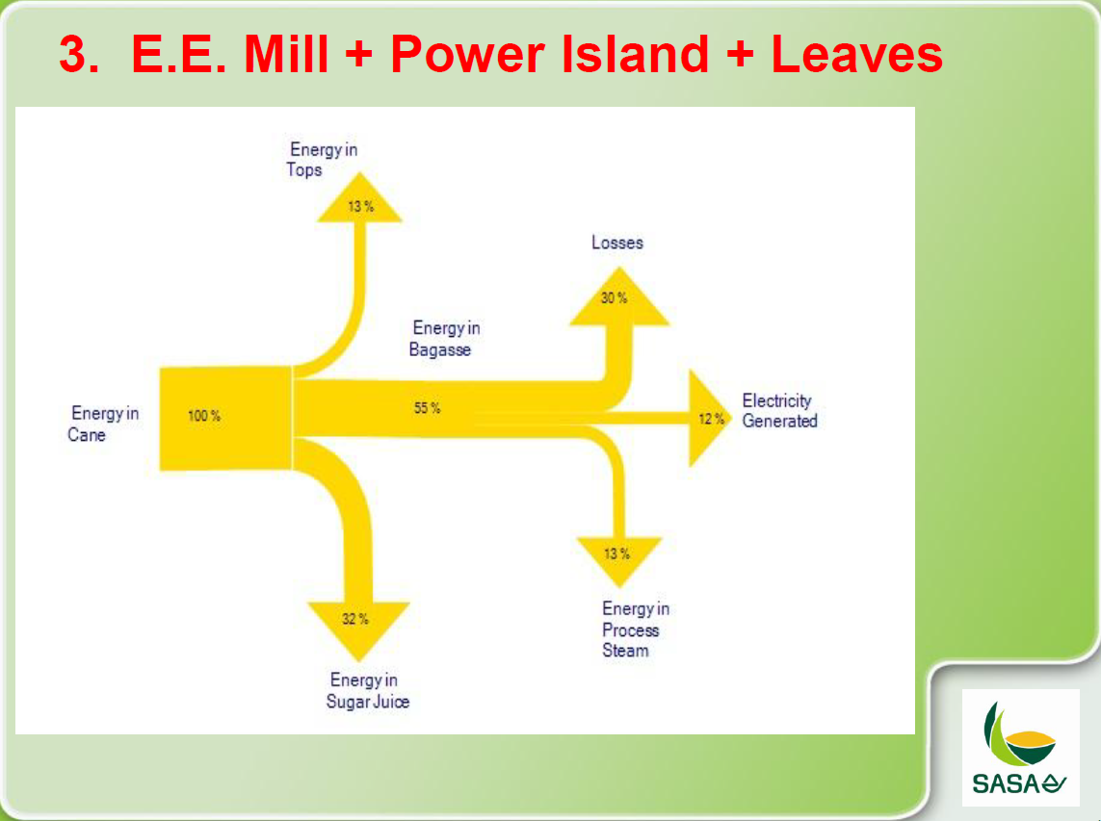
 |  |  |  |  |  |  |  |  |  |  |  | Steam consumed | TJ | 174.4
 |  | B and C Stages Checks |  |  |  |  |  |  |  |  |  |  | PJ/mton bag | 4.9545454545 | 6.1602297348
 |  |  | Inputs |  |  |  |  | Outputs
 |  | BCS | Cane Syrup (A-Mollasses) | PJ | 47.21 |  | ISISUG | Sugar | PJ | 36.05
 |  | ISIHET | Steam From CHP | PJ | 4.5415625952 |  | ISIBML | C-Molasses | PJ | 6.34
 |  | ISIELC | Sugar Industry Electricity | PJ | 0.32 |  | ISIBFC | Filter Cake | PJ | 0.66

EB_v2
 |  |  |  |  |  |  |  |  |  |  |  |  |  |  |  |  | https://www.grainsa.co.za/biogas-production-potential-for-south-african-sugar-cane-industry
 |  |  |  |  |  |  |  | Check
 |  |  |  |  | Bagasse | mtons | 6.804 |  |  | Juice | PJ | 60.2349 | 36% | Filter Cake | mtons | 0.888
 |  |  |  |  |  | PJ | 51.03 | 31% |  |  |  |  |  |  | PJ | 11.541
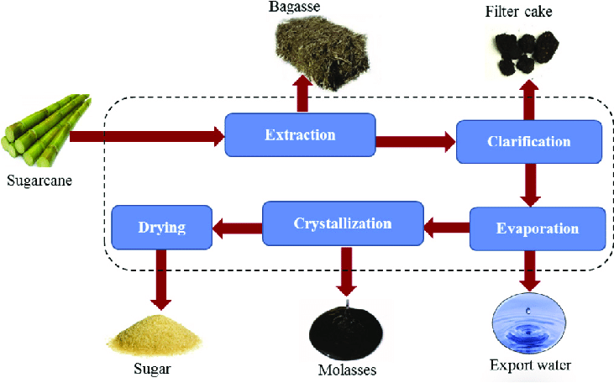
 |  |  |  |  | CV | MJ/kg | 7.5 |  |  |  |  |  |  | CV | MJ/kg | 13

Cane with tops | mtons
 | PJ | 166.06

Cane Tops | PJ | 54.80 | 33%

Cane no tops | mtons | 19.03
 | PJ | 111.26 | 67%
CV | MJ/kg | 5.846

 |  |  |  | Sugar | mtons | 2.18 |  |  | Molasses | mtons | 0.761 |  |  | Waste Water | ml | 3.2
 |  |  |  |  | PJ | 36.052176772 |  |  |  | PJ | 11.487520736 |  |  |  | PJ | 1.15
 |  |  |  | CV | MJ/kg | 16.50876 |  |  | CV | MJ/kg | 15.09 |  |  | CV | MJ/l | 0.361

Costs_Exist
 |  |  |  |  |  |  | Source: Brian Tait 2014 |  |  |  |  |  | Source: Brian Tait 2014
 |  |  |  |  |  |  | 2011 Rands
 |  | 2018 |  |  |  |  | Process Unit | Average Variable Costs for Sugar | Average Fixed Costs for Sugar | Average Variable Costs for Sugar Juice (R/t Cane) | Average Fixed Costs for Sugar Juice (R/t Cane)
Total Cane | mtons | 19.0 |  |  |  |  |  | (R/t Cane) | (R/t Cane) | (R/t Cane) | (R/t Cane)
Total cost | mR | 8,594.3 |  |  |  |  | Front-end | 9.59 | 44.59 | 9.59 | 44.59
Cost of Cane | R/ton cane | 451.6 |  |  |  |  | Clarification | 0.8 | 3.19 | 0.8 | 3.19
Total Sugar | mtons | 2.2 |  |  |  |  | Evaporation | 0.48 | 2.39 | 0.48 | 2.39
 | R/ton sugar | 3,935.4 |  |  |  |  | A-station | 1.28 | 3.19 | 1.28 | 3.19
Cane to sugar ratio |  | 8.7 |  |  |  |  | B-station | 0.32 | 2.39 | 0 | 0
Cane to sugar ratio check |  | 8.6 |  |  |  |  | C-station | 0.32 | 3.19 | 0 | 0
Mill (up to A Mollasses) |  |  |  |  |  |  | Steam & Electricity | 1.6 | 19.12 | 1.6 | 19.12
Mill Capacity | mtons cane | 25.8 |  |  |  |  | TOTAL | 14.39 | 78.06 | 13.75 | 72.48
Cane processed in 2018 | mtons cane | 19.0
O&M Costs per unit capacity | mR | 2,672.1 | Cost of Cane handling + Bagasse Handling + juice handling. Not Investment. |  |  |  | 2011->2018 | 1.452
 | R/ton cane | 103.8 |  |  |  |  | 2018 Rands
 | R/ton sugar | 904.2 |  |  |  |  | Process Unit | Average Variable Costs for Sugar | Average Fixed Costs for Sugar | Average Variable Costs for Sugar Juice (R/t Cane) | Average Fixed Costs for Sugar Juice (R/t Cane)
O&M Cost per ton processed | R/ton cane | 140.4 |  |  |  |  | 0 | (R/t Cane) | (R/t Cane) | (R/t Cane) | (R/t Cane)
 | R/ton sugar | 1,223.6 |  |  |  |  | Front-end | 13.92 | 64.74 | 13.92 | 64.74
 |  |  |  |  |  |  | Clarification | 1.16 | 4.63 | 1.16 | 4.63
 |  |  |  |  |  |  | Evaporation | 0.70 | 3.47 | 0.70 | 3.47
CHP |  |  |  |  |  |  | A-station | 1.86 | 4.63 | 1.86 | 4.63
CHP Capacity | GW (Power) | 0.237 |  |  |  |  | B-station | 0.46 | 3.47 | 0.00 | 0.00
Total O&M Costs | mR | 854.0 |  |  |  |  | C-station | 0.46 | 4.63 | 0.00 | 0.00
 | R/kW | 3,605.1 |  |  |  |  | Steam & Electricity | 2.32 | 27.76 | 2.32 | 27.76 |  | source: | https://www.illovosugarafrica.com/UserContent/Documents/Illovo-Impact-Report-South-Africa-Dec17.pdf
 | R/ton cane | 44.9 |  |  |  |  | TOTAL | 20.89 | 113.34 | 19.97 | 105.24
 | R/ton sugar | 391.0
Additional Fuel costs | mR | 344.7 |  |  |  |  |  | R/ton sugar | R/ton sugar | R/ton sugar | R/ton sugar
 | R/ton cane | 18.1 |  |  |  |  | Front-end | 121.35 | 564.24 | 121.35 | 564.24
 | R/ton sugar | 157.8 |  |  |  |  | Clarification | 10.12 | 40.37 | 10.12 | 40.37
Electricity Costs | mR | 138.5 |  |  |  |  | Evaporation | 6.07 | 30.24 | 6.07 | 30.24
Electricity Sales Revenue (@1R/kWh) | mR | 124.6 |  |  |  |  | A-station | 16.20 | 40.37 | 16.20 | 40.37
Net Electricity Costs (Revenue-Cost) | mR | 13.9 |  |  |  |  | B-station | 4.05 | 30.24 | 0.00 | 0.00
 | R/ton cane | 0.5 |  |  |  |  | C-station | 4.05 | 40.37 | 0.00 | 0.00
 | R/ton sugar | 4.7 |  |  |  |  | Steam & Electricity | 20.25 | 241.94 | 20.25 | 241.94
Bagasse Sales | mtons | 0.4 |  |  |  |  | TOTAL | 182.09 | 987.77 | 173.99 | 917.16
 | R/ton bagasse | -
 | mR | -
B and C Stages
Existing Capacity | mtons sugar | 3.0 |  |  |  |  | From Katherine Foxton January 2020 |  | Check
Existing Capacity | PJ | 49.7 |  |  |  |  | Cane à Juice = 63% | 63% |  | 0.71970152227
Output in 2018 | mtons sugar | 2.2 |  |  |  |  | Cane à Syrup = 66% | 66%
Fixed O&M Costs | R/ton cane | 8.1 |  |  |  |  | Cane à Sugar + A molasses = 71% | 71% | 2,672.1 | 71% | 1.2 | Corection factor
Variable O&M Costs | R/ton cane | 0.9 |  |  |  |  | Cane à VHP sugar + C molasses = 77% | 77% | 230.4 | 6%
Fixed O&M Costs | R/ton sugar | 70.6 |  |  |  |  | With utilities making up the balance. | 23% | 854.0 | 23%
Variable O&M Costs | R/ton sugar | 8.1
 | mR | 230.4 |  |  |  |  | Total Estimate |  | 3,756.4
O&M per ton processed | R/ton sugar | 105.5 |  |  |  |  |  |  | 3,712.8
O&M costs per ton capacity | R/ton | 76.5
 | R/PJ | 4.6
Export Revenue per ton | R/ton | 4,016.9
 | R/GJ | 243.3
Mollasses | mtons | 0.86 | 4%
Value | R/ton | 889.5
 | R/GJ | 120.1
Revenue from molasses | mR | 762
Sugar Export Volumes | mtons | 1,042.8
Sugar Export Revenues | mR | 4,188.9
Sugar Export unit price | R/ton | 4,016.9
Sugar Domestic Volumes | mtons | 1.190
Sugar Domestic Revenues (Gross) | mR | 9,773.7
Industry Costs (discounts etc.) | bR | 1,337.0 | Wolfgang
Domestic Market Unit price |  | 8,211.3
Domestic Market Net Unit Price |  | 7,088.0

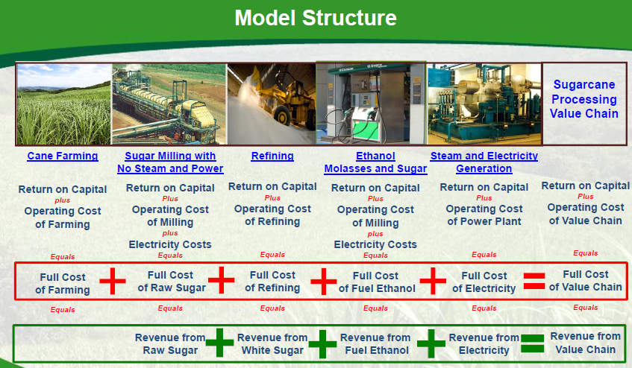
Summary
 | Costs(mR) | Revenue (Rm) | Cost R/ton sugar | Revenue | Cost R/ton sugar | Revenue
Cane Supply | 8,594.3 |  | 3,935.4 |  | 451.6
Mill O&M (incl. Bagasse+juice handling) | 2,672.1 |  | 1,223.6 |  | 140.4
CHP O&M | 854.0 |  | 391.0 |  | 44.9
Other Fuels (coal+woodchips) | 344.7 |  | 157.8 |  | 18.1
Electricity Imports | 138.5 |  | 63.4 |  | 7.3
B&C Stage O&M | 230.4 |  | 105.5 |  | 12.1
Business Overhead Costs and taxes | 678.1 |  | 310.5 |  | 35.6
Sugar Sales Domestic (net of industry costs) |  | 8,436.7 |  | 3,863.3 |  | 443.3
Sugar Sales Exports |  | 4,188.9 |  | 1,918.1 |  | 220.1
Electricity Sales |  | 124.6 |  | 57.1 |  | 6.5
Molasses Sales |  | 761.8 |  | 348.8 |  | 40.0
Total | 13,512.0 | 13,512.0
Cost/ton sugar | 9,323.1 |  | 6,187.3
 |  |  | 6,187.3
Obj_Check | 7,758.6

cost/revenue per ton cane | 451.6 | 220.1
 |  | 443.3

 | Cane Supply | Mill O&M (incl. Bagasse+juice handling) | CHP O&M | Other Fuels (coal+woodchips) | Electricity Imports | B&C Stage O&M | Business Overhead Costs and taxes | Sugar Sales Domestic (net of industry costs) | Sugar Sales Exports | Electricity Sales | Molasses Sales
Costs(mR) | 8,594.3 | 2,672.1 | 854.0 | 344.7 | 138.5 | 230.4 | 678.1
Revenue (Rm) |  |  |  |  |  |  |  | 8,436.7 | 4,188.9 | 124.6 | 761.8

SugarPrices
 |  |  |  |  |  |  |  |  |  |  |  |  |  |  |  |  |  |  |  |  | SASA Representative to provide data
 |  |  |  |  |  |  |  |  |  |  |  |  |  |  |  |  |  |  | Sugar cane crushed | Saleable sugar produced | Saleable sugar sold locally | Saleable sugar sold to the international market
 | Area Under Cane | Sugar Production | Local Market Demand Est. | Total Revenue (R '000) | Exports |  |  | Average local Notional price* | Average export price | Difference between Local notional price | Export price as a % of local notional price | Local Revenue | Export Revenue | Total | Period | Land under sugarcane | Land harvested for milling | Yields per hectare of harvested cane
2000-01 | 428,822 | 2,721,562 | 1,231,442.00 | R5,130,500 | 1,490,120 | 2,721,562.00 | - | R2,564 | R1,250 | R1,315 | 51% | 3,157,749,777.34 | 1,862,247,667.60 | 5,019,997,445 | Units>>>>>> | ha | ha | t/ha | tonnes | tonnes | tonnes | tonnes
2001-02 | 431,771 | 2,403,243 | 1,239,651.00 | R5,550,200 | 1,163,592 | 2,403,243.00 | - | R2,724 | R1,738 | R985 | 36% | 3,376,672,962.39 | 2,022,881,420.16 | 5,399,554,383 | 2001/2002 | 431,771.00 | 325,704.00 | 64.96 | 21,156,537 | 2,403,243
2002-03 | 430,106 | 2,754,619 | 1,278,720.00 | R6,436,112 | 1,475,899 | 2,754,619.00 | - | R3,031 | R1,621 | R1,411 | 47% | 3,875,966,553.60 | 2,391,768,124.45 | 6,267,734,678 | 2002/2003 | 430,106.00 | 321,234.00 | 71.64 | 23,012,554 | 2,754,619
2003-04 | 426,861 | 2,412,031 | 1,356,400.00 | R5,630,972 | 1,055,631 | 2,412,031.00 | - | R3,066 | R1,252 | R1,814 | 59% | 4,158,586,760.00 | 1,321,491,667.35 | 5,480,078,427 | 2003/2004 | 426,861.00 | 325,956.00 | 62.64 | 20,418,933 | 2,412,031
2004-05 | 424,907 | 2,226,869 | 1,210,416.00 | R5,009,575 | 1,016,453 | 2,226,869.00 | - | R2,951 | R1,252 | R1,700 | 58% | 3,572,361,261.60 | 1,272,172,245.74 | 4,844,533,507 | 2004/2005 | 424,907.00 | 316,010.00 | 60.42 | 19,094,760 | 2,226,869
2005-06 | 423,960 | 2,500,504 | 1,261,808.00 | R5,927,400 | 1,238,696 | 2,500,504.00 | - | R3,005 | R1,570 | R1,435 | 48% | 3,791,644,713.44 | 1,944,480,206.88 | 5,736,124,920 | 2005/2006 | 423,906.00 | 318,856.00 | 66.02 | 21,052,266 | 2,507,203 | 1,261,808 | 1,238,696
2006-07 | 419,463 | 2,226,853 | 1,340,524.00 | R6,543,000 | 886,329 | 2,226,853.00 | - | R3,243 | R2,260 | R984 | 30% | 4,347,453,384.40 | 2,002,713,555.24 | 6,350,166,940 | 2006/2007 | 419,463.00 | 305,600.00 | 66.36 | 20,278,603 | 2,235,287 | 1,340,524 | 886,329
2007-08 | 412,979 | 2,273,499 | 1,399,657.00 | R6,658,000 | 873,842 | 2,273,499.00 | - | R3,458 | R1,837 | R1,621 | 47% | 4,840,293,837.40 | 1,605,553,598.70 | 6,445,847,436 | 2007/2008 | 412,979.00 | 307,380.00 | 64.17 | 19,723,916 | 2,281,765 | 1,399,657 | 873,842
2008-09 | 388,655 | 2,260,244 | 1,438,587.00 | R7,815,400 | 821,657 | 2,260,244.00 | - | R3,858 | R2,478 | R1,380 | 36% | 5,550,198,118.83 | 2,035,885,281.46 | 7,586,083,400 | 2008/2009 | 388,655.00 | 287,380.00 | 67.00 | 19,255,404 | 2,269,087 | 1,438,587 | 821,657
2009-10 | 381,838 | 2,178,450 | 1,412,273.00 | R8,538,700 | 766,177 | 2,178,450.00 | - | R4,187 | R3,070 | R1,117 | 27% | 5,912,904,596.40 | 2,352,385,581.33 | 8,265,290,178 | 2009/2010 | 381,838.00 | 278,133.00 | 67.07 | 18,655,089 | 2,187,542 | 1,412,273 | 766,177
2010-11 | 375,590 | 1,961,336 | 1,583,457.00 | R8,547,500 | 377,879 | 1,961,336.00 | - | R4,534 | R3,272 | R1,262 | 28% | 7,179,299,030.58 | 1,236,556,124.44 | 8,415,855,155 | 2010/2011 | 375,590.00 | 271,080.00 | 59.08 | 16,015,649 | 1,919,116 | 1,583,457 | 377,779
2011-12 | 367,301 | 1,822,488 | 1,685,312.00 | R9,546,700 | 137,176 | 1,822,488.00 | - | R5,124 | R4,368 | R756 | 15% | 8,635,538,688.00 | 599,238,266.64 | 9,234,776,955 | 2011/2012 | 367,301.00 | 252,804.00 | 66.46 | 16,800,277 | 1,832,438 | 1,685,312 | 137,176
2012-13 | 379,870 | 1,951,515 | 1,701,731.00 | R10,856,700 | 249,785 | 1,951,516.00 | 1.00 | R5,485 | R4,696 | R789 | 14% | 9,334,590,140.85 | 1,173,047,810.55 | 10,507,637,951 | 2012/2013 | 379,870.00 | 257,095.00 | 67.20 | 17,278,020 | 1,961,031 | 1,701,731 | 249,785
2013-14 | 378,922 | 2,343,650 | 1,543,264.00 | R12,724,800 | 800,386 | 2,343,650.00 | - | R5,750 | R4,271 | R1,479 | 26% | 8,874,045,787.52 | 3,418,792,771.98 | 12,292,838,560 | 2013/2014 | 378,922.00 | 265,939.00 | 75.33 | 20,032,969 | 2,352,878 | 1,543,264 | 800,386
2014-15 | 370,141 | 2,107,673 | 1,649,056.00 | R12,704,900 | 458,617 | 2,107,673.00 | - | R6,200 | R4,394 | R1,806 | 29% | 10,224,097,728.32 | 2,015,030,099.07 | 12,239,127,827 | 2014/2015 | 370,141.00 | 272,930.00 | 65.06 | 17,755,537 | 2,118,232 | 1,649,056 | 458,617
2015-16 | 362,147 | 1,620,330 | 1,573,504.00 | R11,628,404 | 46,826 | 1,620,330.00 | - | R6,863 | R8,108 | -R1,245 | -18% | 10,798,737,661.44 | 379,666,612.78 | 11,178,404,274 | 2015/2016 | 362,147 | 245,363 | 60.57 | 14,861,401 | 1,627,395 | 1,573,504 | 46,826
2016-17 | 362,054 | 1,539,739 | 1,534,741.00 | R13,842,082 | 4,998 | 1,539,739.00 | - | R8,668 | R3,505 | R5,164 | 60% | 13,303,656,799.94 | 17,516,990.40 | 13,321,173,790 | 2016/2017 | 362,054 | 255,769 | 58.94 | 15,074,610 | 1,553,229 | 1,534,741 | 4,998
2017-18 | 361,210 | 1,985,715 | 1,190,281.00 | R14,270,086 | 795,434 | 1,985,715.00 | - | R8,339 | R4,702 | R3,638 | 44% | 9,926,253,177.02 | 3,740,051,124.60 | 13,666,304,302 | 2017/2018 | 361,210 | 252,049 | 68.99 | 17,388,177 | 2,169,660 | 1,190,281 | 795,434
2018-19 | 359,155 | 2,183,821 | 1,140,990.00 | R14,700,817 | 1,042,831 | 2,183,821.00 | - | R8,566 | R4,017 | R4,549 | 53% | 9,773,708,930.10 | 4,188,895,702.35 | 13,962,604,632 | 2018/2019 | 359,155 | 253,945 | 74.94 | 19,031,688 | 2,190,661 | 1,140,990 | 1,042,831
 |  |  |  |  |  |  |  | Average (2017-2018-2019) | R4,359
 |  |  |  |  |  |  |  | * Please note that the Notional Price is used only for the purposes of calculating
 |  |  |  |  |  |  |  | the RV price payable to growers in line with clause 160 of the SIA. It is not the
 |  |  |  |  |  |  |  | market price. SASA does not have nor track the market price. Each miller determines this
 |  |  |  |  |  |  |  | independly. The notional price is a weighted average of brown and refined, and excludes rebates.
 |  |  |  |  |  | 942.2052
 |  |  |  |  |  |  |  | R518.88 | R243.32

 |  |  |  |  |  |  |  | 1 tonne of cane = R475 | Sugarcane cst | 23750000 | 24
 |  |  |  |  |  |  |  | 1 barrel of oil = 5113 MJ | Oil cost | 191,668,296.50 | 192

 |  |  |  |  |  |  |  | 0.0221
 |  |  |  |  |  |  |  | 22100

 | US c/pound | 0.13
 | R/kg | 4.004

